EbA Method Guide
EbA Method: A Practical Guide
Experience-based Analysis (EbA) Method is a method for inspecting the usability of a digital product or e-service during the concept phase. The EbA method is designed for requirements engineers to validate the proposed solution concept of digital products or e-services (hereafter “product”). Its purpose is to assess whether the planned solution is likely to function effectively and to identify potential risks – particularly those arising from users’ and stakeholders’ behaviour and habits. The EbA method is based on the premise that ensuring the solution concept meets the necessary preconditions for effective use enhances overall product usability. The EbA method helps to identify usability-related issues in requirements before the prototyping stage. The analysis can be conducted using artefacts produced during the concept phase, such as descriptions of what users can or must do, sketches, scenarios, user stories, use cases, process descriptions, business analysis summaries, strategic documents, or other artefacts that describe the planned solution and the intended user groups. EbA is intended for use by those involved in eliciting and analysing requirements. In addition to requirements engineers, it may also be applied by product owners, business analysts, and other relevant roles. Therefore, in the following document, we refer to the person who applies the EbA method as the analyst. Figure 1 presents the framework of the EbA method, illustrating the components required for the analysis and the process steps that the analyst must follow to achieve the intended outcome.
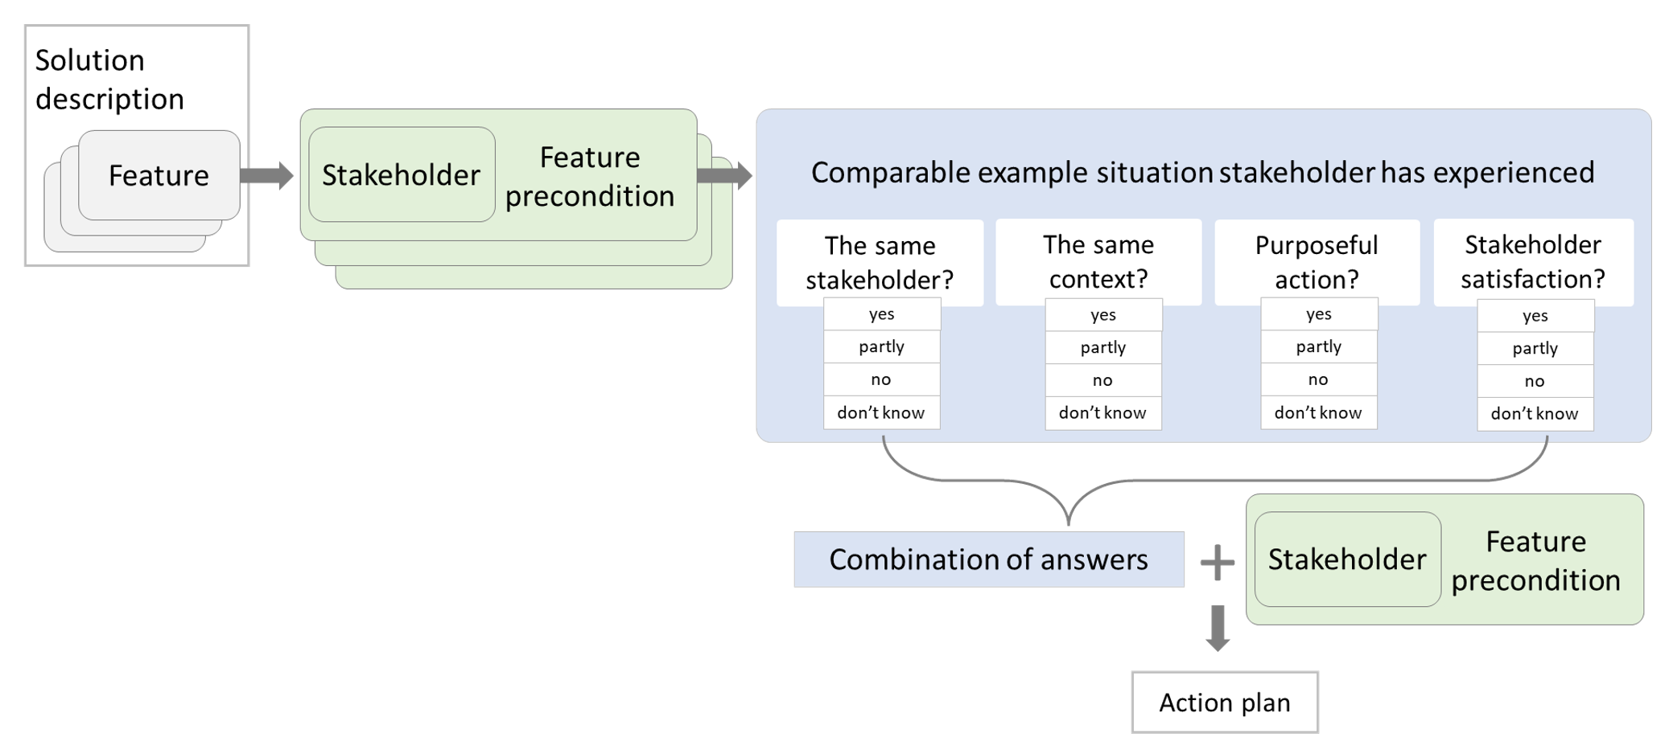 Figure 1. The EbA framework
Step 1. Divide the description of the planned solution into features
Divide the entire description into smaller, meaningful and self-contained parts, ensuring that each feature focuses on a single activity, use case, or distinct product attribute. When using the EbA tool, enter each feature in a separate row (see Fig. 2). In the context of EbA, solution descriptions may include statements about what users can or must do, user stories, use cases, scenarios, process descriptions, general overviews from business analysis or strategic documents, journey map data, sketches, or other artefacts describing the planned solution and the intended user groups.
Figure 2. The planned solution description divided into distinct features
In addition to describing user interactions and the product itself, features may also represent broader aspects of the product. These may include the wider context in which the product operates and its dependencies on other services and processes — both those influenced by the product under development and those that influence it. Although such elements may not be traditional functional features, they can nevertheless be analysed using the EbA method. For example, if the new solution is designed with the aim of reducing labour requirements or enabling a process to be completed within a specific time frame (e.g. within 30 minutes), these objectives can be added to the feature field for analysis. Similarly, if one of the product’s objectives is to improve the efficiency of information exchange between parties, this should also be included in the list of features.
Example Let us assume that the platform of an e-service needs to be enhanced to allow customers to upload files directly to the platform instead of sending them separately by email. The product owner expresses the following view: “The platform does not need to restrict the file formats that customers upload, as customers generally use common software packages. However, uploads should be limited to one file, with a maximum file size of 10 MB.” As stated above, in the EbA method this type of requirement is treated as a feature. In this case, it can be formulated as follows: “Customers of the e-service can upload one file without format restrictions, subject to a maximum size of 10 MB.”
Step 2. Decide which stakeholders are involved in each feature and what skills, knowledge, attitudes, activities and resources are expected from those stakeholders within this specific feature to ensure that the feature functions as intended
Review each feature and identify which end users and related parties are involved in, or significantly affected by, that specific feature. In the EbA method, these are referred to as stakeholders. When identifying stakeholders, consider the developed solution as the final product in use. This means that roles such as developer, product owner or requirements engineer are generally not considered stakeholders. However, for example, a developers may be considered a stakeholder if they have an active role in the product while it is in use – for example, if development continues in parallel with product use. To identify the preconditions, analyse each feature to determine which key skills, knowledge, attitudes, activities, resources and tools you expect stakeholders to possess for the feature to function as intended (see Fig. 3). For example, what must members of the stakeholder group do, know or be capable of doing as a precondition for the planned solution to deliver the intended outcome or value?
Figure 3. Identification of stakeholders and related preconditions for each feature
When listing features, also include stakeholders and preconditions that are not directly related to the product under development but that may either influence it or be significantly influenced by the feature being analysed. For example, if a feature states that “consultations are also provided online with one day’s notice”, then, in addition to other preconditions, a relevant assumption may concern the employer – namely, that the employer has planned the consultants’ work schedules with sufficient flexibility. When identifying and describing preconditions, also take into account the aspects that you, as the product developer, consider important. These may include emotional goals (e.g. how stakeholders should feel when using the product), cybersecurity goals (e.g. what is required stakeholders must understand or fulfil), or general product objectives (e.g. reducing bureaucracy or accelerating a process). During the analysis, it may occur that one feature has only a single relevant precondition, while another may have ten or more. The number of preconditions depends on how many the analyst considers significant. More complex or extensive features are likely to have more preconditions than straightforward features or those that have already been thoroughly analysed. In the EbA method, preconditions should be formulated in a positive and supportive manner. Please note that preconditions describe what you assume about stakeholders in order for the feature to function successfully, not what stakeholders expect from the feature. Stakeholder expectations (such as user stories or scenarios) are described in the feature itself. See the example below for the formulation of precondition statements.
Example In our running example, the feature is: “The customers of the e-service can upload one file with no format restrictions, subject to a size limit of 10 MB.” The preconditions for this feature could be as follows: • Customers upload attachments in file formats that recipients have software programmes to open. • Recipients of the files do not need to further process the information contained in the file. • Customers know how to compress files without losing image quality. • Customers know how to combine all required information into a single file. • Customers do not mind combining all required information into a single file.
Next, we evaluate how well the identified preconditions are met. The EbA tool prompts the method user with questions structured as follows: Do + Stakeholder + Feature precondition.
Example For example, in the EbA tool, precondition No. 1 will be formulated as the following question: „Do customers upload attachments in file formats that recipients have software programmes to open.“
Step 3. Identify an example that matches the precondition and has previously been experienced by the stakeholder
Any activity, skill, attitude, availability of resources, use of devices, or similar aspect mentioned in a precondition is typically reflected in stakeholder behaviour in real-life situations. For each precondition, identify a past situation in which the stakeholder demonstrated behaviour similar to that described in the precondition (see Fig. 4). The example does not need to come from the context of the same product currently under development. When developing new solutions, it may not be possible to find examples that correspond exactly to the specific product or feature, but situations similar to the preconditions can often be identified.
Figure 4. Identification of the closest comparable example situation for each precondition
To find a suitable example for comparison, first consider the intention behind the precondition and then look for a similar situation. For instance, if the precondition requires the stakeholder to follow an agreed process with a high level of precision, identify a situation in which the same stakeholder has previously followed a comparable process with a similar level of attention to detail. Such a situation may have occurred when the process was carried out using a different technology. Ideally, the context of the past experience should align closely with the context described in the precondition – for example, where the example situation involved the same type of technology. If no example fully matching the context can be found, select one that is broadly comparable – for instance, where the process differs slightly, where the required level of detail was lower, or where the process was on paper. If identifying a similar context proves difficult, consider drawing on an example from a different context, such as another process previously experienced by the stakeholder, or a non-workplace example where the feature and precondition relate to a workplace setting. Examples from different contexts may also provide useful insights. If no example can be identified for the entire stakeholder group, attempt to find one experienced by at least some representatives. For example, describe a situation in which only a subset of stakeholders has previously followed the process in detail. If this is not possible, you may use an example involving a different stakeholder who has encountered a similar requirement to complete a process in detail. The experience of another stakeholder may also offer valuable insights. As noted, the EbA method also values information gathered about other stakeholder groups or from different contexts. Such examples may provide useful insights or warnings. If no directly corresponding example is available, the analyst may still draw insights or identify p
Example In the running example, precondition No. 1 (Customers upload attachments in file formats that recipients have software programmes to open) concerns the use of compatible file formats. An example situation could therefore be: “Currently, customers send files as email attachments that recipients open on Windows computers.”
Step 4. Validate the example against the precondition and evaluate the stakeholder’s actions within the context of that example
In Steps 4.1 and 4.2, validate how well the feature precondition and the example situation align in terms of stakeholder and context. In Steps 4.3 and 4.4, evaluate whether the stakeholder’s actions in the comparable situation were purposeful and assess the stakeholder’s level of satisfaction with the experience (see Fig. 5). To answer the questions in this step, you may draw on your own or others’ knowledge accumulated over time through work experience, publicly available sources, previously gathered information accessible to the product developers, or data from studies, statistics and scientific articles. Information may also be obtained through internet searches or by consulting artificial intelligence; in such cases, it is important to approach the information critically.
Figure 5. Example-precondition comparison and evaluation of stakeholder behaviour
Step 4.1 The same stakeholder?
Validate whether the stakeholders mentioned in the precondition and in the example overlap. This validation is necessary to determine whether the information derived from the example also applies to the stakeholders identified in the feature precondition, and to what extent. If all members of the stakeholder group considered in the example situation have also experienced the situation described in the precondition, select “Yes”. If only some members of the stakeholder group have experienced the situation described in the example, select “Partly”. If the stakeholder group referred to in the example does not match the stakeholder group in the precondition, select “No”. If you believe there may be a stakeholder group that has experienced the example situation, but you cannot identify it more specifically, select “Don’t know”.
Step 4.2 The same context?
Validate whether the context described in the precondition matches the context described in the example situation. As noted in Step 3, if no corresponding example is available, the analyst may still draw insights or identify potential risks based on non-corresponding examples. Therefore, this validation is necessary to determine whether the information derived from the example also applies to the context of the feature precondition, and to what extent. The context of use “comprises a combination of users, goals, tasks, resources, and the technical, physical, social, cultural, and organisational environments in which a system, product, or service is used“ (ISO 9241-11: Ergonomics of Human System Interaction: Usability, Definitions, and Concepts. ISO 2018). The context of use may also encompass factors such as time, purpose and the experience level of users (e.g. beginners or experienced users). However, this last aspect – whether users are beginners or experienced users – could instead be considered when defining the stakeholder group (in Step 2), and you may decide to divide the stakeholder group into two based on level of experience. In the EbA method, it is up to the analyst to decide which aspects of the context are most relevant and should be considered when evaluating alignment with the precondition. If the context of the example situation fully overlaps with the context of the precondition, select “Yes”. If some important aspects of the context differ, select “Partly”. If the contexts are clearly different, select “No”. If you are unsure about the degree of overlap, select “Don’t know”.
Step 4.3 Purposeful action?
Evaluate whether the stakeholder in the comparison example acted as expected, and to what extent they demonstrated the necessary skills, knowledge, attitudes or resources. In the example used for comparison, assess the same aspect that was considered in the precondition. For instance, if the precondition referred to the presence of a specific skill or type of knowledge, evaluate the extent to which this skill or knowledge met expectations in the example situation – that is, whether the stakeholder possessed sufficient knowledge or whether it was clearly demonstrated. If the precondition assumed the availability of a particular tool, device or other resource, assess whether the stakeholder had access to it and used it in the given situation. If the precondition focused on motivation, evaluate how motivated the stakeholder appeared to be in the example context. For example, continuing with the explanation in Step 3, where the precondition was that the stakeholder follows the agreed process in detail, the focus of this precondition is on “following the process in detail”. Let us assume that the example situation provided for comparison describes a case in which the same stakeholder group is required to follow a different process at work, but with a similar level of detail. In Step 4.3, assess the extent to which the stakeholder group in the example situation follows the process with attention to detail. If the process is followed in full detail, select “Yes”. If there is some deviation, select “Partly”. If the required level of detail is not followed, select “No”. If you are unsure to what extent the stakeholder follows the process in detail, select “Don’t know”.
Step 4.4 Stakeholder satisfaction?
Evaluate whether the stakeholder in the comparison example was satisfied while performing the activity, or how satisfied they were with being required to possess certain knowledge, demonstrate specific skills, or operate within a particular environment or with certain resources in that situation. Satisfaction may be interpreted as a positive attitude or the performance of the activity without complaints. For example, if you assessed the presence of a particular skill or type of knowledge, you may evaluate whether the stakeholder was satisfied with being required to demonstrate that level of competence in the example situation – or whether there were complaints, such as: “Why do I need to know or do this?”. If the precondition referred to the availability of specific resources or tools, assess whether the stakeholder expressed any dissatisfaction about being expected to have access to and use those resources or tools in the example situation. If you analysed an attitude or level of motivation required to carry out an activity, you may assess whether the stakeholder was satisfied with being expected to demonstrate that attitude or motivation in the example situation. For example, in Step 4.3, the extent to which stakeholders followed the process in detail was evaluated. In Step 4.4, assess stakeholder satisfaction with having to follow the process in such detail. If no complaints have been received regarding the requirement to follow the process in detail, select “Yes”. If you are aware of some complaints, select “Partly”. If a significant number of complaints have been received – indicating notable dissatisfaction – select “No”. If no information is available about stakeholder satisfaction, select “Don’t know”.
Example In our example, we compare and evaluate feature precondition No. 1 (Customers upload attachments in file formats that recipients have software programmes to open) with the example situation (Currently, customers send files as email attachments that recipients open on Windows computers) as follows: 4.1) “Yes” – the stakeholder group is the same as the one that previously sent files by email. 4.2) “Yes” – the context is the same, as the same types of files were created and sent by customers. 4.3) “Partly” – the action was only partly purposeful, because not all customers send attachments in file formats that can be opened on recipients’ Windows computers. For example, some customers have sent files that require the iOS operating system. 4.4) “No” – customers were not satisfied, as it has been time-consuming for those customers who have had to resend files in a different format.
In Steps 4.3 and 4.4, when evaluating purposeful use and satisfaction, the analyst may not have reliable information about whether the activity was carried out as intended or what the actual level of satisfaction was. Assessing satisfaction may be particularly challenging. In some cases, satisfaction can be approached by considering to what extent a stakeholder can reasonably be satisfied when certain knowledge, skills, tools, or other aspects defined in the precondition are expected of them in that situation. If a level is assigned based on an assumption, this must be considered when drawing conclusions and developing the action plan (see Step 7).
Step 5. Prioritise examples (if needed)
If you have multiple examples for a singel precondition and the answers to Steps 4.1-4.4 differ, prioritise the example that is most relevant to your analysis. Selecting the most relevant example will help reduce the workload in Step 7.
Step 6. The EbA method generates a sentence indicating how well the stakeholder’s actions align with the expectations set out in the preconditions
In this step, the EbA method generates a sentence that summarises the information collected from the responses (see Fig. 6). These sentences indicate the extent to which the stakeholder’s behaviour and actions align with the expectations outlined in the feature preconditions. The generated sentence consists of three parts. The first part is based on the combination of answers provided in Step 4 and includes a verbal expression describing the extent to which the precondition is met or what is known about it (see the worksheet “Combined Answers (H-K)”). This part is then combined with the stakeholder group defined earlier in Step 2 and the specific feature precondition. The resulting sentence can be read as an answer to the question previously presented in the EbA tool table when the feature preconditions were entered – namely, “Do + Stakeholder + Feature precondition?”. However, there is no need to devote disproportionate attention to reading these sentences, as their purpose is simply to capture the status of the precondition based on prior experience and to support the analysis by helping to prevent risks from being overlooked. Nevertheless, the real value lies in the preceding analysis process, which enables the analyst to determine whether the concept adequately considers users’ capabilities. Understanding the problem may lead to ideas for improving the solution during the analysis in Step 7. In Steps 4.1–4.4, the answers to the four questions allow for 256 possible response combinations. All 256 combinations, along with their corresponding wording, can be found in “Combined Answers (H-K)”. If you are using the EbA tool, the sentence is generated automatically.
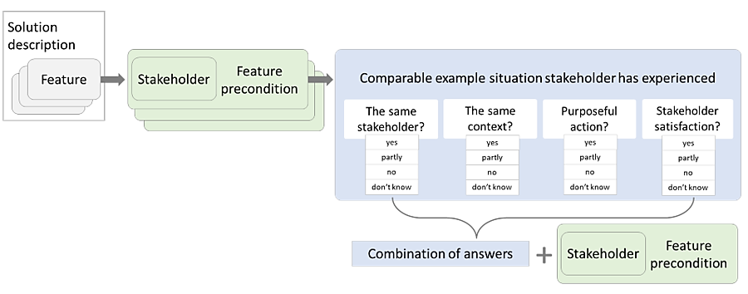 Figure 6. The EbA method generates a sentence that summarises the information collected from the responses
If, while reading the sentence, you notice that the wording of the precondition needs to be revised, you may change it in the tool in the same field where the precondition was originally entered – in the “Feature precondition” column. In the EbA tool, the combined sentence is displayed in two ways: as three separate parts and as one complete sentence. The combined sentence can be hidden if desired. Based on the answers given in Step 4, it may become apparent that, in some cases, there is no information available about the relevant stakeholder group, but information is available about another stakeholder group. The EbA method also values information gathered about other stakeholder groups or from different contexts, as such examples may provide useful insights or warnings. In addition, the EbA method treats “Don’t know” responses as important. If it is essential for the analyst to determine the extent to which a specific precondition is met, a “Don’t know” answer highlights the need to investigate or test that precondition more thoroughly with users.
Example Let us recall that feature precondition No. 1 raised the following question: “Do customers upload attachments in file formats that recipients have software programmes to open?” After completing Steps 1-4 using the input described above, the EbA method generates the following statement: „There is dissatisfaction with this precondition, but to an extent customers upload attachments in file formats that recipients have software programmes to open“. (See Fig. 8)
Step 7. Draw conclusions and develop the action plan
By analysing the preconditions through past examples, the analyst will likely have developed ideas for improving those preconditions that currently appear to be insufficiently met, so that the feature can function effectively. The analyst can enter these ideas directly into the action plan field (see Fig. 7).
Figure 7. Action plan based on the gathered information
If the evaluation was conducted based on an assumption, then this must be taken into account when drawing conclusions and developing the action plan. In such cases, more critical preconditions should be verified further, for example through additional research or testing. It is also important to critically assess whether the risk is likely to occur and the extent of its potential impact, in order to avoid unnecessary actions or the development of features that are not required. When making suggestions for changes or improvements, it is worth considering that, in addition to redesigning the product itself, support activities not directly related to the product solution may sometimes be helpful. For example, creating a tutorial or planning training sessions does not require changes to the product but does involve planning additional actions.
The activities that need to be performed can be categorised by content based on the type of action plan required. The EbA tool provides division of the action plan into the following categories: ● The precondition of the feature is met, that is, “it works” ● Technology needs to be complemented ● The solution does not work this way, and a different solution should be considered ● The feature needs a support action ● The precondition needs to be tested or further analysed ● Something else
Before finalising the action plan, it is recommended to review all preconditions mapped under the feature to anticipate and avoid potential conflicts between them. If, in Step 5, you selected the most relevant example situation from several identified for the same precondition, base your conclusions and action plan solely on the outcome of that example. The less relevant examples may be set aside.
Example In our example, after analysing all five preconditions, the analyst can decide how to address the identified dissatisfaction. When proposing a solution, it is essential to ensure that it does not conflict with the action plans related to the other preconditions of the feature and that it remains consistent with the overall purpose of the product. Without knowing the results of the analysis of the remaining preconditions of this feature, we can, for the time being, decide that, in order to prevent dissatisfaction, file formats should be restricted, and customers should be informed which formats are permitted for upload. The example is illustrated in Figure 8.
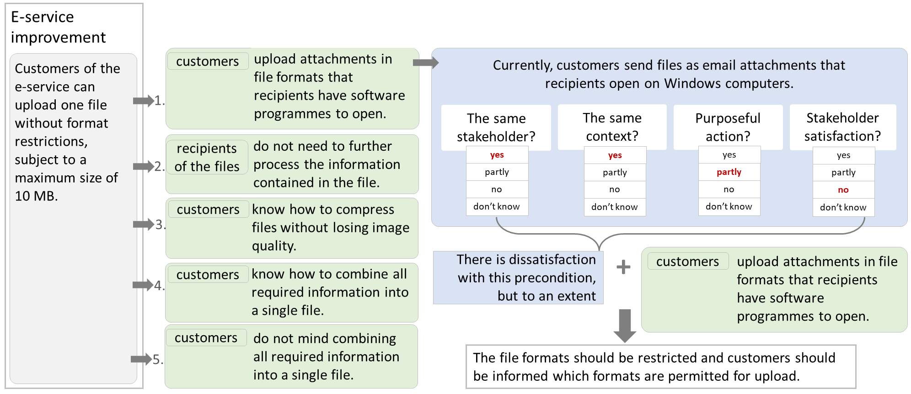 Figure 8. The example analysed by the EbA framework
What you need to know when using the EbA method
We highlight the following points to keep in mind when using the EbA method. 1. The person conducting the EbA analysis should have a good understanding of the product domain, its context, and its users. 2. The EbA method helps to obtain answers regarding those features and assumptions that the analyst considers important to examine. The results depend on what is defined as a feature and formulated as preconditions, both in terms of content and scope. 3. The depth of the analysis and the quality of the resulting action plan depend on the analyst’s experience and knowledge, as well as their ability to identify all relevant stakeholder groups and define the preconditions expected of them. 4. The validity of the analysis outcome depends on the relevance and accuracy of the information used. 5. The EbA analysis may be conducted individually; however, to obtain a broader perspective, it may also be carried out collaboratively – either jointly or by alternating responsibility among team members. 6. EbA does not eliminate the need for user testing, but it supports the more conscious design of testing tasks.

What you need to know when using the EbA tool
When adding rows, please copy and paste the formulas in columns H-O and R.
If the results that should be displayed automatically do not appear, check whether the formula has been copied into the row.
Enter stakeholder names on the “Stakeholders list” page. Enter the names in the plural form.

Contact: anu.piirisild@ut.ee

